Sheet1
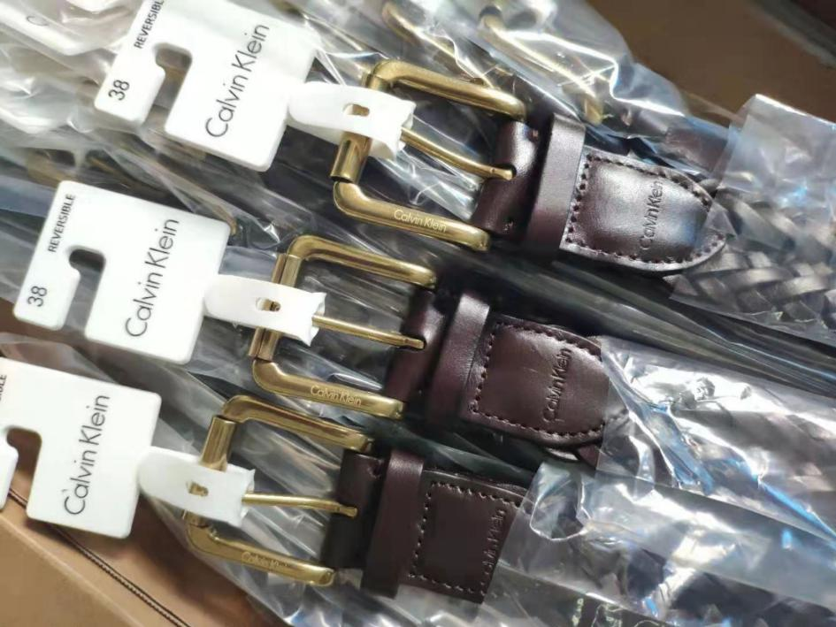
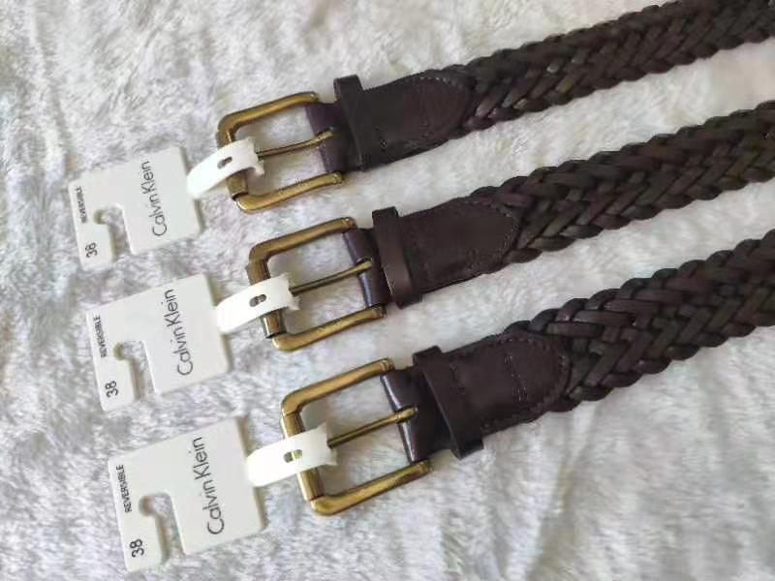
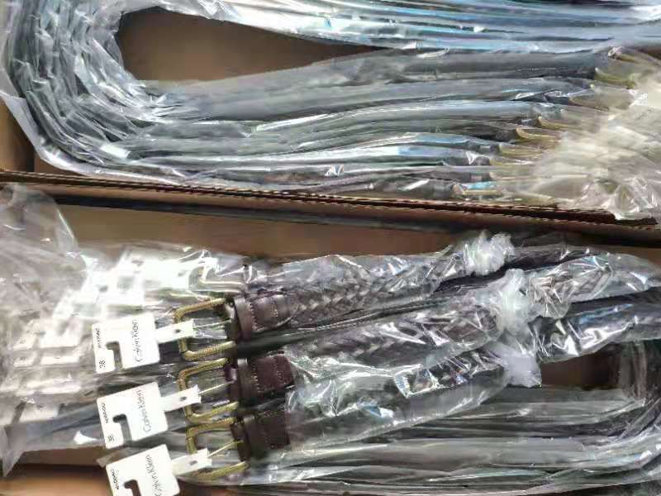
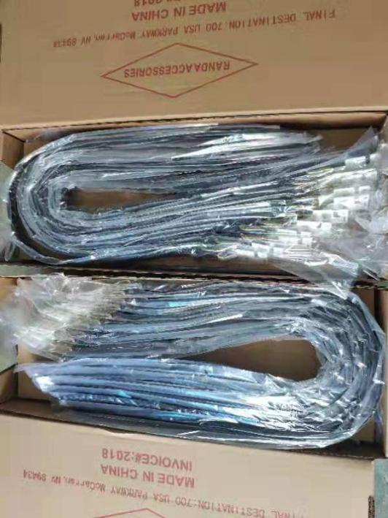
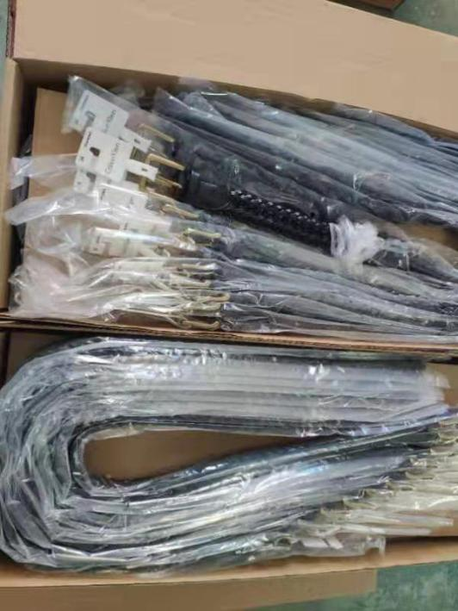
ck belts
Material: leather
Color: black, choco
Size: 34-42#
Packing:opp bags, 50pcs/ctn
Qty: 800pcs
CBM: 1.0m³
Valid Date: 7-10 Days
Breakdown
ITEM | Color | 34# | 36# | 38# | 40# | 42# | ttl pcs
Y-88 | black | 50 | 100 | 100 | 100 | 50 | 400
 | choco | 50 | 100 | 100 | 100 | 50 | 400
 |  |  |  |  |  |  | 800

